NRCC Headers
First Page Heading
 | User input | auto calculated | From another Table |  | From look up table
STATE OF CALIFORNIA
Solar Ready Areas And Battery
NRCC-SRAB-E (Created (1/20) |  |  |  | CALIFORNIA ENERGY COMMISSION
CERTIFICATE OF COMPLIANCE |  |  |  |  | NRCC-SRAB-E
This document is used to demonstrate compliance with prescriptive PV and battery requirements in §140.10/§170.2 for nonresidential, multifamily and mixed-use buildings and prescriptive solar thermal requirements in §170.2(d)3C for multifamilyand hotel/ motel occupancies. When PV/battery/solar thermal requirements don't apply or are traded using the performance approach, this document demonstrates compliance with mandatory solar readiness requirements in §110.10/ §160.8 for newly constructed buildings which are either multifamily ten stories or fewer, hotel/motel ten stories or fewer or all other nonresidential buildings three stories or fewer. It is also used to demonstrate compliance with solar readiness in §110.10/ §160.8 for additions to nonresidential, multifamily or hotel/motel building types which add more than 2,000 ft2 of roof area. Alterations, or additions of less than 2,000 ft2 of roof area, are not required to comply with solar readiness, solar PV and battery requirements and do not need to complete this document.
Project Name: |  |  |  | Report Page: | Page 1 of ??
Project Address: |  |  |  | Date Prepared:

 | This is a heading. The project name, address and date prepared should be a user input on the first page, but that should populate the heading on all other pages.

Heading all other pages
STATE OF CALIFORNIA
Solar Ready Areas And Battery
NRCC-SRAB-E (Created (1/20) |  |  |  | CALIFORNIA ENERGY COMMISSION
CERTIFICATE OF COMPLIANCE |  |  |  |  | NRCC-SRAB-E
Project Name: |  |  |  | Report Page: | Page 1 of ??
Project Address: |  |  |  | Date Prepared:

 | Footer for every page:
 | CA Building Energy Efficiency Standards - 201922 Nonresidential Compliance: http://www.energy.ca.gov/title24/201922standards

LMCC Headers
First Page Heading
 | User input | auto calculated | From another Table |  | From look up table
STATE OF CALIFORNIA
Solar Ready Areas And Battery
LMCC-SAB-E |  |  |  | CALIFORNIA ENERGY COMMISSION
CERTIFICATE OF COMPLIANCE |  |  |  |  | LMCC-SRAB-E
This document is used to demonstrate compliance with prescriptive PV and battery requirements in §140.10/§170.2 for nonresidential, low-rise multifamily and low-rise mixed-use buildings and prescriptive solar thermal requirements in §170.2(d)3C for low-rise multifamily and hotel/motel occupancies. When PV/battery/solar thermal requirements don't apply or are traded using the performance approach, this document demonstrates compliance with mandatory solar readiness requirements in §110.10/ §160.8 for newly constructed buildings which are either low-rise multifamily or low-rise mixed-use ten stories or fewer, hotel/motel ten stories or fewer or all other nonresidential buildings three stories or fewer. It is also used to demonstrate compliance with solar readiness in §110.10/ §160.8 for additions to nonresidential, low-rise multifamily or hotel/motel building types which add more than 2,000 ft2 of roof area. Alterations, or additions of less than 2,000 ft2 of roof area, are not required to comply with solar readiness, solar PV and battery requirements and do not need to complete this document.
Project Name: |  |  |  | Report Page: | Page 1 of ??
Project Address: |  |  |  | Date Prepared:

 | This is a heading. The project name, address and date prepared should be a user input on the first page, but that should populate the heading on all other pages.

Heading all other pages
STATE OF CALIFORNIA
Solar Ready Areas And Battery
LMCC-SAB-E |  |  |  | CALIFORNIA ENERGY COMMISSION
CERTIFICATE OF COMPLIANCE |  |  |  |  | LMCC-SRAB-E
Project Name: |  |  |  | Report Page: | Page 1 of ??
Project Address: |  |  |  | Date Prepared:

 | Footer for every page:
 | CA Building Energy Efficiency Standards - 201922 Nonresidential Compliance: http://www.energy.ca.gov/title24/201922standards

NRCC A. General Info
 |  |  | User input |  | auto calculated |  |  | From another Table |  | From look up table

Row 7 shows up if user selects "Addition/Alteration increases roof ≤ 2,000 ft²" in Construction Type dropdown.
A. GENERAL INFORMATION
01 | Project Location (city) |  |  |  |  | 04 | Building Type Occupancies |  | Dropdown (select all that apply), see below for list
02 | Climate Zone |  |  | Dropdown, see below for list |  | 05 | Construction Type |  | Dropdown, see below for list
03 | ¨ | Roof is designed for vehicle traffic, parking or for heliport Conditioned Floor Area (ft2) |  | user input |  | 06 | Number of Stories |  | Dropdown, see below for list
Rows 8&9 show up if column 03 box is checked.
STOP! Alterations, or additions that increase roof area by ≤ 2,000 ft2, are not required to comply with solar ready requirements in §110.10/§140.10/§170.2(g and h) and do not need to complete this compliance document.
Row 10 shows up if "Healthcare facilities", OR "Bldg with total roof area < 533ft2" OR "All other building types" is selected in col 04
03a | Plan sheet showing roof design for vehicle traffic, parking or heliport exception:
STOP! Roofs designed for vehicle traffic, parking or for heliports are not required to comply with solar ready requirements in §110.10. Document this exception by providing the plan sheet showing the roof design in 03a to the right and completing the signature page.
STOP! Healthcare facilities, some Nonresidential buildings greater than three stories, Hotel/Motel buildings greater than 10 stories, High-rise mulitfamily greater than 10 stories, and some buildings with total roof area less than or equal to 533ft2 are not required to comply with the requirements of §110.10/§140.10/§170.2(g and h) and do not need to complete this compliance document.

 |  |  |  | Climate Zone Dropdown |  |  |  |  | Building Type Dropdown
 |  |  |  | 1 |  |  |  |  | Hotel/Motel 10 stories or fewer | <triggers PV/Battery subtable in Table B if either New Construction choices in col05; triggers Solar Ready in Table B if Add> 2000sf
 |  |  |  | 2 |  |  |  |  | High-rise multifamily 10 stories or fewer | <triggers PV/Battery subtable in Table B if either New Construction choices in col05; triggers Solar Ready in Table B if Add> 2000sf
 |  |  |  | 3 |  |  |  |  | Grocery | <triggers PV/Battery subtable in Table B if either New Construction choices in col05; triggers Solar Ready in Table B if Add> 2000sf
 |  |  |  | 4 |  |  |  |  | Office | <triggers PV/Battery subtable in Table B if either New Construction choices in col05; triggers Solar Ready in Table B if Add> 2000sf
 |  |  |  | 5 |  |  |  |  | Financial Institution | <triggers PV/Battery subtable in Table B if either New Construction choices in col05; triggers Solar Ready in Table B if Add> 2000sf
 |  |  |  | 6 |  |  |  |  | Unleased Tenant Space | <triggers PV/Battery subtable in Table B if either New Construction choices in col05; triggers Solar Ready in Table B if Add> 2000sf
 |  |  |  | 7 |  |  |  |  | Retail | <triggers PV/Battery subtable in Table B if either New Construction choices in col05; triggers Solar Ready in Table B if Add> 2000sf
 |  |  |  | 8 |  |  |  |  | School or Classroom | <triggers PV/Battery subtable in Table B if either New Construction choices in col05; triggers Solar Ready in Table B if Add> 2000sf
 |  |  |  | 9 |  |  |  |  | Warehouse | <triggers PV/Battery subtable in Table B if either New Construction choices in col05; triggers Solar Ready in Table B if Add> 2000sf
 |  |  |  | 10 |  |  |  |  | Auditorium | <triggers PV/Battery subtable in Table B if either New Construction choices in col05; triggers Solar Ready in Table B if Add> 2000sf
 |  |  |  | 11 |  |  |  |  | Convention Center | <triggers PV/Battery subtable in Table B if either New Construction choices in col05; triggers Solar Ready in Table B if Add> 2000sf
 |  |  |  | 12 |  |  |  |  | Library | <triggers PV/Battery subtable in Table B if either New Construction choices in col05; triggers Solar Ready in Table B if Add> 2000sf
 |  |  |  | 13 |  |  |  |  | Medical Office Bldg/ Clinic | <triggers PV/Battery subtable in Table B if either New Construction choices in col05; triggers Solar Ready in Table B if Add> 2000sf
 |  |  |  | 14 |  |  |  |  | Restaurant | <triggers PV/Battery subtable in Table B if either New Construction choices in col05; triggers Solar Ready in Table B if Add> 2000sf
 |  |  |  | 15 |  |  |  |  | Theater | <triggers PV/Battery subtable in Table B if either New Construction choices in col05; triggers Solar Ready in Table B if Add> 2000sf
 |  |  |  | 16 |  |  |  |  | Parking Garage | < triggers Solar Ready if New Const. or Add >2,000ft2 in col 05 AND <= 3 stories in col 06
 |  |  |  |  |  |  |  |  | Religious Facility | < triggers Solar Ready if New Const. or Add >2,000ft2 in col 05 AND <= 3 stories in col 06
 |  |  |  |  |  |  |  |  | Commercial Industrial | < triggers Solar Ready if New Const. or Add >2,000ft2 in col 05 AND <= 3 stories in col 06
 |  |  |  |  |  |  |  |  | Data Center | < triggers Solar Ready if New Const. or Add >2,000ft2 in col 05 AND <= 3 stories in col 06
 |  |  |  |  |  |  |  |  | Gymnasium | < triggers Solar Ready if New Const. or Add >2,000ft2 in col 05 AND <= 3 stories in col 06
 |  |  |  |  |  |  |  |  | Relocatable Public School | < triggers Solar Ready if New Const. or Add >2,000ft2 in col 05 AND <= 3 stories in col 06
 |  |  |  |  |  |  |  |  | Support Area | < triggers Solar Ready if New Const. or Add >2,000ft2 in col 05 AND <= 3 stories in col 06
 |  |  |  |  |  |  |  |  | Other nonresidential bldg 3 stories or fewer
 |  |  |  |  |  |  |  |  | All other building types | < triggers Solar Ready if New Const. or Add >2,000ft2 in col 05 AND <= 3 stories in col 06
 |  |  |  |  |  |  |  |  | I-2 and I-2.1 Healthcare Facilities | < triggers none, Healthcare is exempt from all requirements
 |  |  |  |  |  |  |  |  | Building with total roof area < 533 ft2

 |  |  |  |  |  |  |  |  | Construction Type Dropdown
 |  |  |  |  |  |  |  |  | New Construction
 |  |  |  |  |  |  |  |  | New Construction w roof <= 533ft2 | < exception to Solar Ready requirements.
 |  |  |  |  |  |  |  |  | Addition/ Alteration increases roof area > 2,000 ft2
 |  |  |  |  |  |  |  |  | Alteration/ Addition/ Alteration increases roof area ≤ 2,000 ft2

 |  |  |  |  |  |  |  |  | Number of Stories Dropdown
 |  |  |  |  |  |  |  |  | Bldg <= 3 stories
 |  |  |  |  |  |  |  |  | Bldg 4-10 stories
 |  |  |  |  |  |  |  |  | Bldg > 10 stories

LMCC A. General Info
 |  |  | User input |  | auto calculated |  |  | From another Table |  | From look up table

A. GENERAL INFORMATION
01 | Project Location (city) |  |  |  |  | 04 | Building Type Occupancies |  | Dropdown (select all that apply), see below for list
02 | Climate Zone |  |  | Dropdown, see below for list |  | 05 | Construction Type |  | Dropdown, see below for list
Row 7 shows up if user selects "Addition/Alteration increases roof ≤ 2,000 ft²" in Construction Type dropdown.
03 | ¨ | Roof is designed for vehicle traffic, parking or for heliport Conditioned Floor Area (ft2) |  | user input |  | 06 | Number of Stories |  | Dropdown, see below for list
Rows 8&9 show up if column 03 box is checked.
STOP! Alterations, or additions that increase roof area by ≤ 2,000 ft2, are not required to comply with solar ready requirements in §110.10/§140.10/§170.2(f) and do not need to complete this compliance document.
Row 10 shows up if "Healthcare facilities", OR "Bldg with total roof area < 533ft2" OR "All other building types" is selected in col 04
03a | Plan sheet showing roof design for vehicle traffic, parking or heliport exception:
STOP! Roofs designed for vehicle traffic, parking or for heliports are not required to comply with solar ready requirements in §110.10. Document this exception by providing the plan sheet showing the roof design in 03a to the right and completing the signature page.
STOP! Healthcare facilities, some Nonresidential buildings greater than three stories, Hotel/Motel buildings greater than 10 stories, High-rise mulitfamily greater than 10 stories, and some buildings with total roof area less than or equal to 533ft2 are not required to comply with the requirements of §110.10/§140.10/§170.2(g and h) and do not need to complete this compliance document.

 |  |  |  | Climate Zone Dropdown |  |  |  |  | Building Type Dropdown
 |  |  |  | 1 |  |  |  |  | Multifamily/ Mixed-Use | <triggers PV/Battery subtable in Table B if either New Construction choices in col05; triggers Solar Ready in Table B if Add > 2000sf
 |  |  |  | 2
 |  |  |  | 3 |  |  |  |  | Construction Type Dropdown
 |  |  |  | 4 |  |  |  |  | New Construction
 |  |  |  | 5 |  |  |  |  | New Construction w roof <= 533ft2
 |  |  |  | 6 |  |  |  |  | Addition/ Alteration increases roof area > 2,000 ft2
 |  |  |  | 7 |  |  |  |  | Alteration/ Addition/ Alteration increases roof area ≤ 2,000 ft2
 |  |  |  | 8
 |  |  |  | 9 |  |  |  |  | Number of Stories Dropdown
 |  |  |  | 10 |  |  |  |  | Bldg <= 3 stories
 |  |  |  | 11 |  |  |  |  | Bldg 4-10 stories
 |  |  |  | 12 |  |  |  |  | Bldg > 10 stories
 |  |  |  | 13
 |  |  |  | 14
 |  |  |  | 15
 |  |  |  | 16

NRCC J. PV&Batt
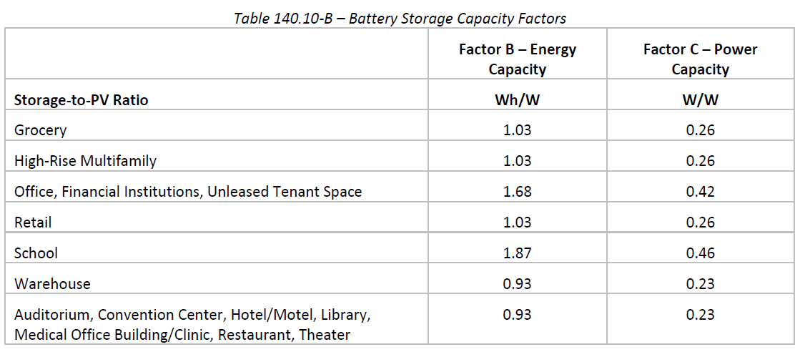
 |  | User input |  | auto calculated |  |  |  | From another Table |  | From look up table

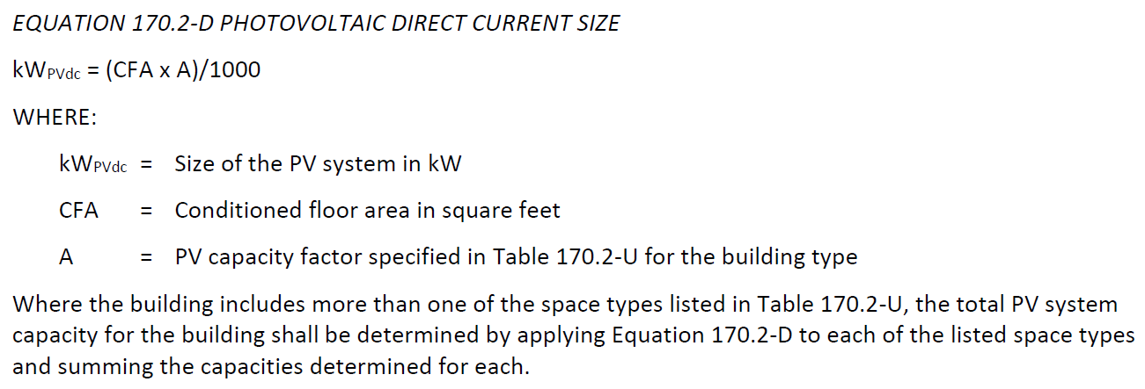
J. PHOTOVOLTAIC (PV) AND BATTERY SYSTEMS |  |  |  |  |  |  |  |  | This entire table is new for 2022
This table documents compliance with prescriptive photovoltaic and battery system requirements in §140.10/§170.2(g & h). Unless the project meets one of the listed exceptions or trades-off PV in an energy model using the performance path, §140.10/§170.2(g & h) requires installed photovoltaic and battery systems for newly constructed buildings. The installed PV systems must meet the minimum requirements in Joint Appendix 11. |  |  |  |  |  |  |  |  |  |  | HRR Eq 170.2-D same as NR Eq 140.10-A
Photovoltaic (PV) System
01 | 02 | 03 | 04 | 05 | 06 | 07 | 08
Occupancy Covered by Roof | Conditioned Floor Area (ft2) | Area of New Roof1 (ft2) | Roof Area < 70% Solar Access2 (ft2) | Plansheet or Document showing Solar Access Calculations | Occupied Roof Area3 (ft2) | Solar Access Roof Area (SARA) (ft2) | Min Size of PV System Required (kWdc)
Dropdown |  |  | zero is acceptable |  | zero is acceptable | equals col03-col04-col06 | equals Min ((col 07 x 14) vs. Eq 140.10-A)
 |  |  |  |  |  | Total Min Size PV System Required for all Spaces (kWdc):
 |  |  |  |  |  | Total Size PV System in Design (kWdc):
1 FOOTNOTES: Includes the area of the building’s roof space capable of structurally supporting a PV system, and the area of all roof space on covered parking areas, carports, and all other newly constructed structures on the site that are compatible with supporting a PV system per Title 24, Part 2, Section 1511.2. |  |  |  |  |  | Add Space | Remove Last
2 Solar access must be determined using CEC approved solar access calculation tools found at: https://www.energy.ca.gov/programs-and-topics/programs/building-energy-efficiency-standards/solar-assessment-tools
3 As specified by CBC Section 503.1.4
 |  |  |  |  |  |  |  |  |  |  |  | CZ from A02, Bldg type from Col 01
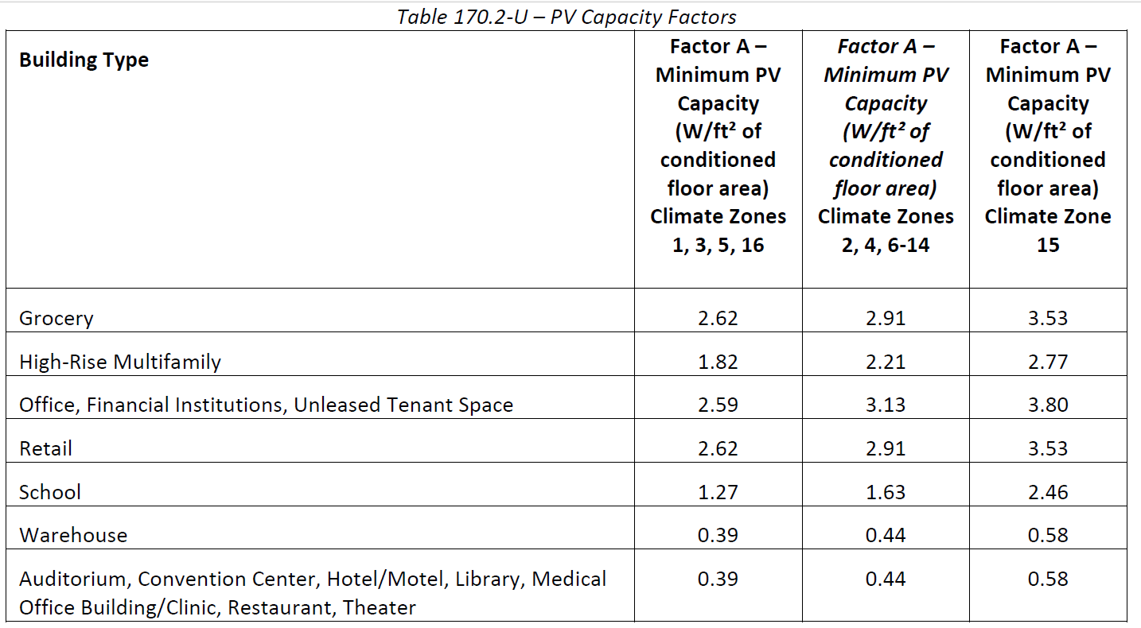
Occupancy Dropdown
Grocery
High-rise Multifamily
Financial Institution
Office
Unleased Tenant Space
Retail
School
Warehouse
Auditorium
Convention Center
Hotel/Motel
Library
Medical Office/Clinic
Restaurant
Theater

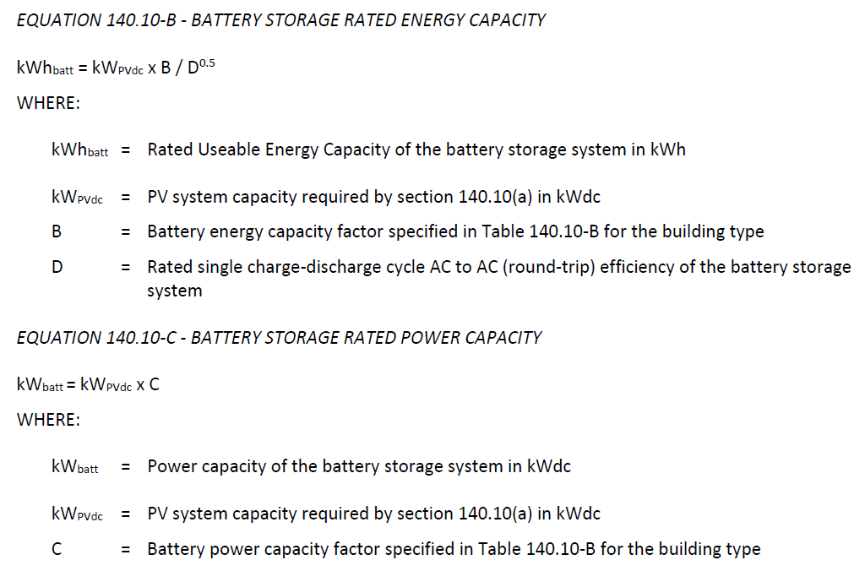
Battery Storage System |  |  |  |  | <Triggered if "Total PV Required" above is >0
Installed battery storage systems must meet the minimum requirements in Joint Appendix JA12.
01 | 02 | 03 | 04 | 05
Space Type Covered by Roof | Min Size of PV System Required (kWdc) | Rated Single Charge-Discharge AC Efficiency of Battery System1 | Min Battery Rated Energy Capacity Required (kWh) | Min Power Capacity of Battery Required (kWdc)
from Col 01 above | from Col 08 above |  | equals (col02 x B)/(col03^0.5) | equals Col02 x C
Total Min Energy (kWh) and Power (kW) Capacity Required: |  |  | equals Sum Col04 for all spaces | equals Sum Col05 for all spaces
Total Energy (kWh) and Power (kW) Capacity in Design:

1 FOOTNOTE: Rated single charge-discharge cycle AC to AC (round-trip) efficiency of the battery storage system

LMCC J. PV&Batt
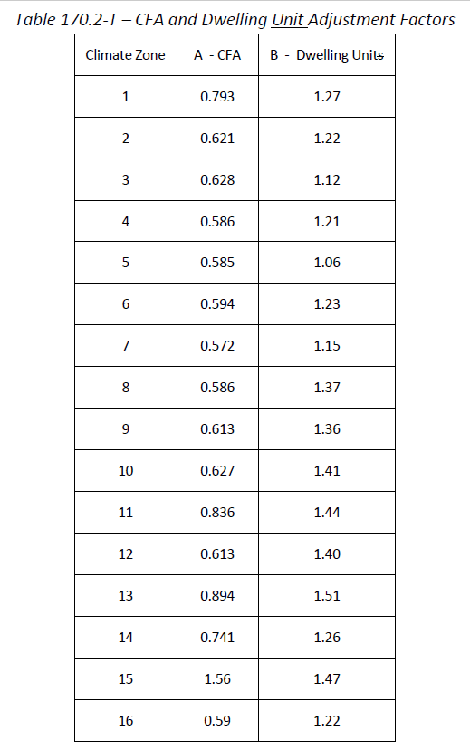
 |  | User input |  | auto calculated |  |  |  | From another Table |  |  | From look up table

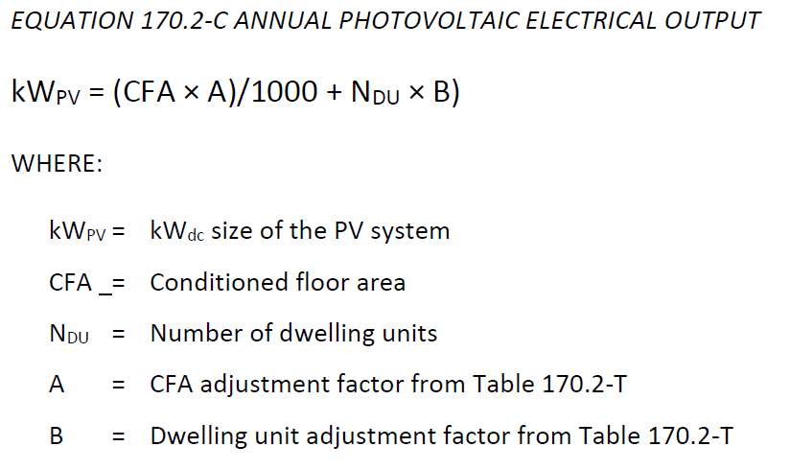
J. PHOTOVOLTAIC (PV) SYSTEMS |  |  |  |  |  |  |  |  |  | This entire table is new for 2022
This table documents compliance with prescriptive photovoltaic and battery system requirements in §170.2(f). Unless the project meets one of the listed exceptions or trades-off PV in an energy model using the performance path, §170.2(f) requires installed photovoltaic and battery systems for newly constructed buildings. The installed PV systems must meet the minimum requirements in Joint Appendix 11. |  |  |  |  |  |  |  |  |  |  |  | Eq 170.2-C should be: ((CFA x A)/1000) + (Ndu x B)
Photovoltaic (PV) System
01 | 02 | 03 | 04 | 05 | 06 | 07 | 08 | 09 | 10
Area of New Roof1 (ft2) | Roof Area < 70% Solar Access2 (ft2) | Plansheet or Document showing Solar Access Calculations | Occupied Roof Area3 (ft2) | Solar Access Roof Area (SARA) (ft2) | Max Size of PV system that will fit on SARA (kWdc) | # of Dwelling Units | Usable Capacity of Battery Storage4 (kWh) | Min Size of PV System Required (kWdc) | Size of PV system in Design (kWdc)
 | zero is acceptable |  | zero is acceptable | equals col02-col03-col04 |  |  | zero is acceptable | equals Min (col 06 vs. Eq 170.2-C)

1 FOOTNOTES: Includes the area of the building’s roof space capable of structurally supporting a PV system, and the area of all roof space on covered parking areas, carports, and all other newly constructed structures on the site that are compatible with supporting a PV system per Title 24, Part 2, Section 1511.2.
2 Solar access must be determined using CEC approved solar access calculation tools found at: https://www.energy.ca.gov/programs-and-topics/programs/building-energy-efficiency-standards/solar-assessment-tools
3 As specified by CBC Section 503.1.4
4 PV system sizes determined using Equation 170.2-C may be reduced by 25% if installed in conjunction with a battery storage system. The battery storage system shall meet the qualification requirements specified in Joint Appendix JA12 and have a minimum usable capacity of 7.5 kWh.
 |  |  |  |  |  |  |  |  |  |  |  | ^ If col 08 >=7.5, reduce PV system size calc'd by Equation 170.2-C by 25% & trigger note on row 12 in Table D.

 | CEC, if the project is LRMU, would the whole building use this LRMF formula in Eq 170.2-C or would the NR occupancy use Eq140.10-A And the CFA associated with dwelling units uses Eq 170.2-C? And is the answer you give conssitent with how to apply battery requirements too? |  |  |  |  |  |  |  |  |  |  | CZ from A02 & CFA from A03

